L1- Guwahati
PROJECT |  | L1 Prototype Interior Bill of Quantities |  |  |  | DATE
 |  |  |  |  |  | 2021-03-26
Sl. No. | Item Code. | Description of Work | Unit | Qty. | Rate | Amount
 |  | NOTES:
 |  | The description of an item shall be deemed to include all preambles, headings, sub-headings and references to other documents. |  |  |  | -
 |  | The scope of work includes preparation of detailed Interior GFC / shop drawings covering all the areas including all furniture layouts, interfacing with base architectural finishing details. These drawings shall be reviewed and approved by the Consuultant for execution at site. |  |  |  | -
 |  | The contractor should refer to the specifications mentioned and the Interior represetation of Concept Views to prepare the detailed Interior drawings for all items of work to provide the finished item to the Client complete in all respect. |  |  |  | -
 |  | Tenderers are instructed to quote "rate only" for all QRO items without fail and not to enter any amount in the amount column. The rates quoted under QRO items is negotiable during the evaluation of the tender and the rationalised rate only will be considered if there is a need to operate QRO items during execution. Any percentage of discount / rebate offered by the tenderer during negotiation is applicable on all the quoted rates of the tendered items including "QRO" Items. |  |  |  | -
 |  | The rates quoted shall be inclusive of all mock-ups and also physical sample submission (all materials including Loose furnitures selected) for Consultant approval as required / instructed; prior to any mass production or procurement as per complete satisfaction of the Client and Architect. Inclusive of dismantling, demolishing and carting the material and making good of the surface as required and as per the instructions of the Architect. |  |  |  | -
 |  | Any integration / coordination for Interior finishes with MEP services / Special services & Medical equipment Vendor shall be in the scope of the Interior contractor |  |  |  | -
 |  | The Tenderers are requested to inspect the site and obtain for themselves at their own expense all necessary information and particulars to enable them to submit the tender along with detailed shop drawings. |  |  |  | -
 |  | Items of work provided in this schedule but not covered in the specifications shall be executed strictly as per instructions of the engineer-in-charge/PMC. |  |  |  | -
 |  | Unless specifically mentioned otherwise in the contract, the tenderer shall quote for the finished items and shall provide for the complete cost towards labour, materials, plant and machinery, operational costs, levies, taxes, transport, repairs, rectification, maintenance till handing over, revenue expenses, contingencies, overheads, profits and all incidental items not specifically mentioned but reasonably implied and necessary to complete the works according to the contract. |  |  |  | -
 |  | The quantities of the various items mentioned in the schedule of items are approximate and may vary up to any extent or be deleted altogether. The quoted rates of each item shall remain firm for all works and quantities. The contractor, in his own interest, should get an indication of the probable extent of the work to be executed under any particular item in this schedule, before undertaking any preliminary and enabling work or purchasing bought out components related to the work. |  |  |  | -
 |  | Rates shall be quoted both in figures and in words in clear legible writing. No overwriting is allowed. All scoring and cancellations should be countersigned by the tenderer. In case of illegibility, the interpretation of the engineer shall be final. All entries shall be in English language. |  |  |  | -
 |  | Engineer-in-charge's decision shall be final and binding on the contractor regarding clarifications of items in this schedule with respect to the other sections of the Contract. |  |  |  | -
 |  | It may be noted that the total work or any part / parts of the same may be awarded as mentioned in this schedule of items. |  |  |  | -
 |  | Any debris generated out of the said work may be cleared on priority basis from the Site. The contractor shall arrange for temporary storage of material at the site, for hoisting material to the upper floors, for bringing debris and waste down etc. |  |  |  | -
 |  | The door size mentioned is the overall opening size |  |  |  | -
 |  | Rates for all exposed T.W. members and lipping shall include cost of melamine finish. |  |  |  | -
 |  | The rate of all units to be inclusive of matched locks for individual work space every drawer and shutter to be provided with locks of approved make |  |  |  | -
 |  | The abbreviations used in the Specification and Bill of Quantities shall be read as follows : |  |  |  | -
 |  | IS :- Indian Standard |  |  |  | -
 |  | A.S.T.M :- American Society for Testing and Materials |  |  |  | -
 |  | A.W.S :- American Welding Society |  |  |  | -
 |  | MM or mm :- Millimetre /s |  |  |  | -
 |  | CM and cm :- Centimetre /s |  |  |  | -
 |  | RM (rm) / RMT (Rmt) :- Running metre /s |  |  |  | -
 |  | KG (kg) :- Kilogram /s |  |  |  | -
 |  | Tonne/t/MT :- Metric ton/s (1000 Kilogram's) |  |  |  | -
 |  | Dia. :- Diameter |  |  |  | -
 |  | Sqm :- Square metre |  |  |  | -
 |  | Cum:- Cubic metre |  |  |  | -
 |  | No.:- Number/s |  |  |  | -
 |  | Qty.:- Quantity |  |  |  | -
 |  | L.S :- Lump sum. |  |  |  | -
 |  | QRO:- Quote rate only. |  |  |  | -
 |  | Drg. No. :- Drawing number |  |  |  | -
 |  | PCC:- Plain Cement Concrete |  |  |  | -
 |  | RCC:- Reinforced cement concrete |  |  |  | -
 |  | HSD:- High Yield strength Deformed bars. |  |  |  | -
 |  | MS:- Mild Steel |  |  |  | -
PART A
1.00 | CIVIL & WET WORKS |  |  |  |  | -
 | 1.01 | Plaster of Paris: (Reception) |  |  |  | -
 |  | Providing and finishing Plaster of Paris Punning over cement plastered wall surface to be finished in line and plumb with smooth surface ready to receive paint base. |  |  |  | -
 |  | (A) Average thickness: 12mm. | Sqm | 55 |  | -
 |  | (B) Average thickness: 19mm. | Sqm | 25 |  | -
 | 1.02 | Vitrified Tile Dado - 900~1200mm High
 |  | Providing and dadoing of first quality vitrified tile skirting on wall of approved colour and make and size (600mmx600mm) as per design & manufacturer's instruction. Cost includes, base mortar upto 40mm thk in ratio 1:4 (1 part of cement to 4 parts of sand) with appropriate line and level as per architects and site engineer's instructions, Laying tiles on a thin cement slurry paste & including curing, waxing, Machine cutting to the required size from the tiles etc, the rate shall include all wastages, proper neat finishing of joints between skirting and wall, chasing wall where necessary & making good plastering at junctions, acid wash, curing etc complete and including necessary protection after laying. Tile joints to have 3mm wide spacer filled with epoxy grout of approved color by architects. Laying & fixing details as suggested by the manufacturer to be followed. Cost includes of base wall / floor preparation to plumb / level. Vitrified tile; Basic rate of tile- Rs.400/- per sq.m. | Sqm | 160 |  | -
...
 |  |  |  |  |  | 2021-03-26
Sl. No. | Item Code. | Description of Work | Unit | Qty. | Rate | Amount
 |  | The framework to be cladded on both sides (till the false ceiling) with two layers of 12.5 mm thk tapered edge Moisture Resistant gypsum board (IS-2095/1982) in line and level screw fixed with 25mm & 35mm drywall screws @ 300mm c/c with staggered joints to avoid leakage through joints and finished with proprietary supplied jointing tape and compound as per manufacturer's specification. Joints to be sand papered to achieve a smooth and seamless finish. Care must be taken that the plasterboards are raised 3mm from the floor and in this gap, chauking compound is injected, for successive layers and similarly for the true ceiling channel. Gypsum partition to be installed as per India Gypsum / Gyproc or equallent specifications. |  |  |  | -
 |  | Finishes |  |  |  | -
 |  | Moisture Resistant Gypsum surface till the false ceiling - Providing and applying three coats of Anti-microbial Luster enamel paint of desired shade, of approved make or equivalent on internal wall surfaces wherever required at all heights to give an even and uniform shade, applied over 2 coats of primer and putty of approved make as per manufacturer specification fully to give a smooth and even surface including thoroughly brushing the surface free from water / mortar dropping and other foreign matter and sand papered smooth, complete per manufacturers specifications and as directed. |  |  |  | -
 |  | Special Provisions |  |  |  | -
 |  | A) Contractor to make provision for all electrical/networking boxes and to provide dia cut-outs as required. Electrical/Network boxes /other services to be provided at desired height and location as indicated in the drawing. |  |  |  | -
 |  | B) All junctions between materials, columns, walls, etc to have necessary groove with Aluminium `L' angle as per details |  |  |  | -
 |  | C) All exposed edges / corners/ grooves to have proprietary corner / edge bead sections/channels as per Architect's instructions |  |  |  | -
 |  | D) All exposed gyp board edges to be fixed with Beadex self adhesive |  |  |  | -
 |  | E) At all locations where services are penetrating the partition above false ceiling to have salwood frame work around the duct/cable tray/pipe and the gaps between the frame work and service to be filled with appropriate fire stop material as directed |  |  |  | -
 | 2.02 | Fabricating and fixing Glazed Partition comprising of 10mm thk toughened glass with polished edge and using SS pedestals of size 50 x50mm & necessary patch fittings as per detailed drawings. Glass shall be securely fixed to the pedestal / conceled U channel in the ceiling using proprietory rubber gaskettes. Samples of the sections along with mockup shall be shown for approval before placing orders. Cost of framework to hold glass above false ceiling will be measured seperately. Cost to include filling joints with silicon sealant where ever applicable. Glass height 1000mm based on location in widths of 1200 per piece of glass. Mode of measurement: Only visible area of the partition below false ceiling shall be measured and paid for. Distance between two butt jointed glass panels not to exceed 4 mm. Edges and grooves between glass panels to be filled with clear silicon sealant neatly applied as indicated in the drawing, all complete - Fixed glazing from 300mm above counter level till lintel level (Pharmacy / Cafeteria Service Counter) | Sqm | 5 |  | -
 |  | 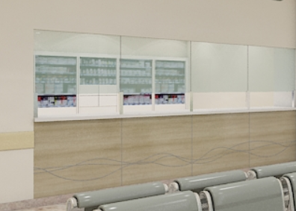 |  |  |  | -
 | 2.03 | Modular Aluminium Skirting - 100mm HT (Bottomline make) |  |  |  | -
 |  | Providing and fixing of matt natural anodised skirting profile of 100mm height inclusive of all accessories and installation as per the manufacturers specifications. Rate should include preparation of surface. The skirting shall be fixed as per details & Architects instructions. Rate should include wall chipping, plastering. | Rm | QRO |  | -
 | 2.04 | Laminate Skirting - 100mm HT - on wall / furniure |  |  |  | -
 |  | Providing and fixing 100mm high laminate skirting on wall formed out of 12mm thk commercial ply and finished with laminate of approved shade. To have necessary groove painted to approved colour as per details. Rate should include wall chipping, plastering, punning & necessary 'C' channels. | Rm | QRO |  | -
2.00 | TOTAL FOR 2.00 PARTITIONS & ASSOCIATED WORKS |  |  |  |  | -
3.00 | PANELING WORKS
 |  |  |  |  |  | -
 | 3.01 | Laminate paneling (direct on wall) |  |  |  | -
 |  | Fabricating and fixing of 12mm BWR ply onto the existing wall surface by means of approved wooden screws/nails and to be finished with approved 1mm laminate. To have necessary grooves as per details. To be in proper line and level as per architects instructions. | Sqm | QRO |  | -
 | 3.02 | Laminate paneling (with spacers) (Radiotherapy , OPD Corridor. Column Panels, etc) |  |  |  | -
...
 |  |  |  |  |  | 2021-03-26
Sl. No. | Item Code. | Description of Work | Unit | Qty. | Rate | Amount
 |  | Making 75mm x 100mm cove as/detail in gypboard and POP including plastic emulsion paint matching with gyp ceiling as per architect's approval.. The rate shall be inclusive of necessary framework, making cutout for light fixtures, bulkheads, internal & external vertical facia etc. complete. Cove section includes exposed L-Shaped gyp work. | Rmt | 30 |  | -
 | 5.04 | Pelmet - Size (150mmX150mm) |  |  |  | -
 |  | Providing and fixing of pelmet made of 19mm commercial ply finished with laminate of approved shade as per details and Architect's instructions. Pelmet to the fixed to the true ceiling/closest structural support with aluminium supports as per directions. Rate to include necessary cutouts to accommodate AC grills, Electrical cutouts as per details. To have necessary grooves and to be fixed with necessary sealant as per architects instructions. Pelmet to accomodate blinds as per details. Neat joint to be achieved between the Gyp ceiling and the Pelmet. | Rm | QRO |  | -
 | 5.05 | TRAP DOOR: |  |  |  | -
 |  | Providing & fixing Saint Gobain / equivalent Concealed type trap-doors of size as required with PROPRIETARY frame around the same as per details in ceiling as per manufacturer's specifications; finished with paint as directed Gi powder coated. (Sizes 550mmx550mm-minimum , 600mm X1200mm) | Nos | 25 |  | -
5.00 | TOTAL FOR 5.00 FALSE CEILING & ASSOCIATED WORKS |  |  |  |  | -
6.00 | BUILT-IN FURNITURE WORKS
 |  |  |  |  |  | -
 | 6.01 | Reception / Help Desk Table (Type 1) |  |  |  | -
 |  | Providing and fixing of base table shape made of 18mm BWR ply with flap open Top and Front door wherever necessary all as per detail. Table top and supports to be made of 18mm double layer BWR ply with storage units as per design - 2 nos pull out drawers and one openable shutter (all lockable). Storage to have necessary shelves formed of 18mm BWR ply finished with 1mm antibacterial laminate. Shutters to be postformed. Shutters to be provided with necessary hardwares like spring loaded hinges, tower bolts, SS handles, magnetic catchers and locks etc., of approved make and quality. Cost to include keybord tray, cpu tray, wire management wherever applicable and should include fixing of LED strip lighting as per design all complete. Cost also to include Vertical Tabletop Panel along edge of table wherever applicable as per detail drawing. Cost also to include antitermite treatment / borer treatment for plywood. >> All the exposed surfaces (Outer and Inner vertical surfaces ) to be finished with 1mm thk antibacterial laminate - 55% of Exterior Finishes in 1mm Laminate. >> Rate inclusive of Solid Acrylic Surface material at locations (Table Top and Front Fascia ) all as specified as per drawing - horizontal and vertical surfaces to have 12mm Solid Acrylic Surface (including Curved edges, curved surfaces etc) and inclusive of required fixing materials & clear adhesives, and to include magaram joint, buffing, pasting, making of cut outs etc as per design, all complete. Note - Curved surfaces cost to include thermoforming, etc all complete. Cost to be inclusive of 12mm ply backing with framing for solid acrylic surface material. - 45% of Exterior Finishes in Solid Acrylic Surface material. >> Inside surfaces to be finished with 1mm thk antibacterial laminate and with 2mm PVC Edge Bands and SS corners whever required as per drawing. - 50% of running length to have storage (which includes 2 drawers and 1 openable shutter) with inside finish with 1mm antibacterial lami | RM | 12 |  | -
 |  | 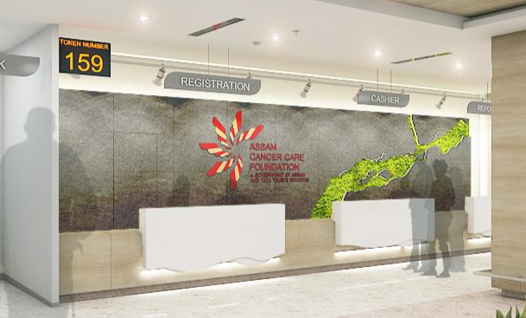 |  |  |  | -
 | 6.02 | Reception Table / Help Desk (Type 2) |  |  |  | -
 |  | Providing and fixing of base table shape made of 18mm BWR ply with flap open Top and Front door wherever necessary all as per detail. Table top and supports to be made of 18mm double layer BWR ply with storage units as per design - 2 nos pull out drawers and one openable shutter (all lockable). Storage to have necessary shelves formed of 18mm BWR ply finished with 1mm antibacterial laminate. Shutters to be postformed. Shutters to be provided with necessary hardwares like spring loaded hinges, tower bolts, SS handles, magnetic catchers and locks etc., of approved make and quality. Cost to include keybord tray, cpu tray, wire management wherever applicable and should include fixing of LED strip lighting as per design all complete. Cost also to include Vertical Tabletop Panel along edge of table wherever applicable as per detail drawing. Cost also to include antitermite treatment / borer treatment for plywood. >> All the exposed surfaces (Outer and Inner vertical surfaces & Table Top ) to be finished with 1mm thk antibacterial laminate - 70% of Exterior Finishes in 1mm Laminate. >> Rate inclusive of Solid Acrylic Surface material at locations as specified as per drawing - horizontal and vertical surfaces to have 12mm Solid Acrylic Surface (including Curved edges, curved surfaces etc) and inclusive of required fixing materials & clear adhesives, and to include magaram joint, buffing, pasting, making of cut outs etc as per design, all complete. Note - Curved surfaces cost to include thermoforming, etc all complete. Cost to be inclusive of 12mm ply backing with framing for solid acrylic surface material. - 30% of Exterior Finishes in Solid Acrylic Surface material. >> Inside surfaces to be finished with 1mm thk antibacterial laminate and with 2mm PVC Edge Bands and SS corners whever required as per drawing. - 50% of running length to have storage (which includes 2 drawers and 1 openable shutter) with inside finish with 1mm antibacterial laminate. >>Table Dimensio | RM | 60 |  | -
 |  | 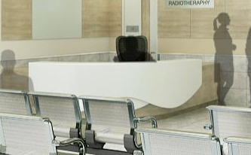 |  |  |  | -
 | 6.03 | Full Height Storage Unit (LINAC)
 |  | Providing & fixing full height storages 19mm length, depth of 450mm, 2700mm height, all as per architectural detail drawings, with carcass to be of 22mm thk comercial ply and shutters of 25thk commercial ply finished with Laminate inside & outside with factory fit edge banding. Storage to have necessary shelves formed of 19mm ply finished with 0.8mm laminate. Shutters to be postformed. Shutters to be provided with necessary hardwares like spring loaded hinges, tower bolts, SS handles, magnetic catchers and locks etc., of approved make and quality. Rate to be inclusive of all necessary hardware -box hinge - (0mm cranking Model:316.31.500),9.5mm cranking (Model:316.31.501), locksets, spring loaded shutter latch inside, all cabinet hardware to be of make: Hettich.
 |  | 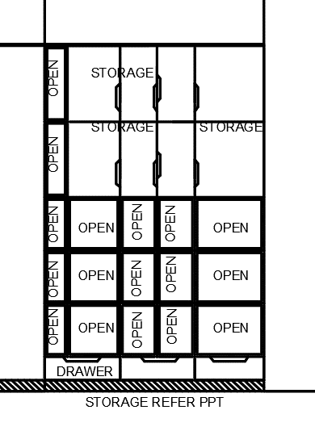 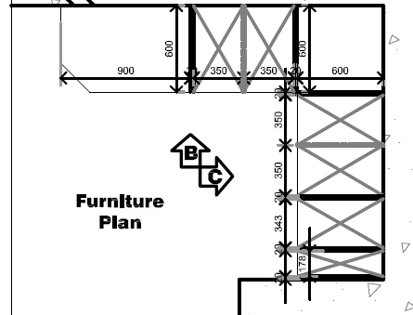 | Nos | 2 |  | -
 | 6.04 | Work counter with Overhead Storage (LINAC CONTROL CENTRE CONSOLE)
 |  | Providing & fixing Work counter of 3200mm length x 750mm wide x 800mm height all as per architectural detail drawings, with carcass to be of 22mm thk comercial ply and shutters of 25thk commercial ply finished with approved Laminate by Architect inside & outside with factory fit edge banding. With Over head Storage of 450mm width & 800mm height as per detailed drawings with necessary shelves formed of 19mm ply finished with 0.8mm laminate. Shutters to be postformed. Shutters to be provided with necessary hardwares like spring loaded hinges, tower bolts, SS handles, magnetic catchers and locks etc., of approved make and quality. Rate to be inclusive of all necessary hardware -box hinge - (0mm cranking Model:316.31.500),9.5mm cranking (Model:316.31.501), locksets, spring loaded shutter latch inside, all cabinet hardware to be of make: Hettich.
 |  | 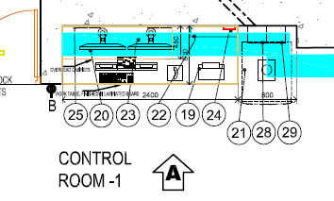 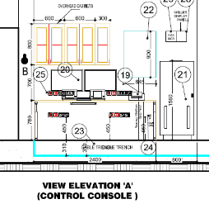 | Nos | 5 |  | -
 | 6.05 | Doctor's Consultation Worktable |  |  |  | -
 |  | Size- Main Table : 1500 x 750, Return Table :900 x 450 | Nos | 24 |  | -
 |  | Table Top -Prelam PVC lipping |  |  |  | -
 |  | Understructure : Aluminium |  |  |  | -
 |  | RaceWay - below Table |  |  |  | -
 |  | Accessories : Mobile Pedestal - 1 No (2 draws ans 1 openable shutter) & Side Storages with shelves with 2 openable shutters, all complete. |  |  |  | -
 |  | 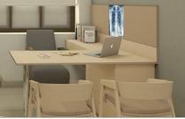 |  |  |  | -
 |  |  |  |  |  | -
 | 6.06 | Consultation room - Wash Basin counter |  |  |  | -
 |  | Providing and fixing Acrylic solid surface Wash basin counter of size 600mm x 600mm with below counter storage cabinet 450mm high to conceal the under counter Wash basin; cabinet made out of necessary aluminium frame and MR ply woord finished with 1mm thk laminate of approved shade and make. Includes providing all necessary provisions to neatly fix the sanitary & cp fittings, hardwares - hinges, profile handles etc. all complete to give finished product as directed by the Architect. Solid surface shall be of approved make - Corian or equivalent. The cost to include silicon sealant at the edges as per detail. Cost should include Borer / Antitermite treatment for plywood. | Nos | 15 |  | -
 |  |  |  |  |  | -
 |  |  |  |  |  | -
 | 6.07 | Service Counter (LINAC) |  | 0
 |  | Providing & fixing of 19mm thk granite counter of 600mm depth formed out of 19mm thk BWP ply and cladded with granite with edges as per details. To have storage below counter as per details and to be made of 19mm BWP ply with lipped edges finished with 1mm thk laminate outside and inside to be finished with 0.8mm laminate. Shutters to be post formed laminate.Shutters to be fixed with all necessary accessories like hinges, tower bolts, magnetic catchers, locks, SS handles etc., as directed by architect. Provide adjustable shelves finished with 0.8mm laminate as per details. Also to provide necessary cut outs for fixing of switches, sockets, wash basin all complete. The cost to include silicon sealent at the edges as per details. Rate to include 150mm granite band above the counter as per details. Cost should include Borer / Antitermite treatment for salwood and plywood. Table Size: 8000mm x 1050mm height x 675mm(depth) | RM | 5 |  | -

 | 6.08 | Over head Storage (All Areas) |  |  |  | -
 |  | Providing and fixing overhead Storage Units 450mm Deep 600mm high of Length as per detailed drawings with carcass and shutters made out of 18 mm thk MR Ply. Shutters to be finished with 1mm thick approved laminate outside and 0.8mm laminate on the inside with 2mm edge banding. Hardware- Lock sets, self-closing hinges, spring loaded shutter latch inside, all cabinet hardware to be of make: Hettich /Ebco. | RM | 130 |  | -
...
 |  |  |  |  |  | 2021-03-26
Sl. No. | Item Code. | Description of Work | Unit | Qty. | Rate | Amount
 |  | Providing and fixing softboard panelling made of 12mm ply cladded with 12mm thick Sitatex board / equivalent and finished with approved fabric. Basic cost of fabric @ Rs.150/- Meter. Edges to have angles over which fabric to be taken. Rate to include necessary boxing as per details. | Sqm | 40 |  | -
 | 7.04 | White Board (Nurse Station) |  |  |  | -
 |  | Providing and fixing White board (writing boards) of size 1000mm x 750mm at Nurses stations, fixed onto the walls with necessary screws and fittings all inclusive. Rate to include necessary boxing as per details. | Nos. | 35 |  | -
 | 7.04 | Roller Blinds |  |  |  | -
 |  | >Providing & fixing Roller blinds confirming to specifications, including spring mechanism >The Drive units -Shall be of moulded plastic with rectangular support pin and inserted into the tube end .It shall be driven by a ball chain pulley with ball chain and can be positioned at right hand or left hand side of the shade.The shade when lowering or raising ,shall be automatically locked in position upon release of the ball chain by means of built in friction lock. >End Plug-Shall be moulded of plastic with alocation pin .The plug shall be inserted into tube end.(Opposite to drive unit) >Support Brackets-Shall be of zinc plated steel & provided with moulded plastic covers and used in right hand or left hand positions differentiated by the acceptance of the rectangular drive unit support or the round idler plug pin. >Bottom Rails-Shall be stiffening element inserted into abottom rod pocket.The material may be timber ,PVC covered steel tube or VB bottom rail. >Ball Chain -Shall be 2mm diameter cord with 4.5mm diameter acetal balls moulded co-axially to it on 6mm pitch to form a endless ball chain .It is used for raising or lowering action of the shades. >Fabric 1) Basic material -100% antimicrobial - polyster - trnsculent 2) fabric weight -170g/sqm 3) Thickness -4mm 5) Finishing -Double side vinyl acetate, pigment coated >Light Fitness -Confirming to DIN54004/DIN EN ISO 105-B02>/5-6 >Shrinkage % ge-Confirming DIN 53892 B2 <0.5% > 1% Perforation factor - (Code- Solaric Fabric Panel-1%-Sol Series-001) | Sqm | 240 |  | -
 | 7.05 | Guard Rail: (Corridors / Public Waiting Spaces)
 |  | Providing and fixing PVC Guard Rail of approved make 200mm ht fixed at as per architect's drawings. Approved Make - Gradus WGS200 / Champaigne or Equalent | Rm | 65 |  | -
 | 7.06 | Corner Guard: (Wall Tile corners) |  |  |  | -
 | a. | Supply and installation of 50mm "L" Stainless Steel angle Matt Anodized in approved finish - Gradus -SSCG5090D/U or Equallent, or Manufactured to match the finish with slot holes @ 300mm c/c, by means of approved screws / double sided tapes or as directed of approved make. | Rm | 30 |  | -
 | b. | Supply and installation of 5mm x 5mm corner trim Aluminium Matt Anodized in approved finish - or Equallent, or Manufactured to match the finish, by means of approved screws / double sided tapes or as directed of approved make. | Rm | 28 |  | -
 |  | 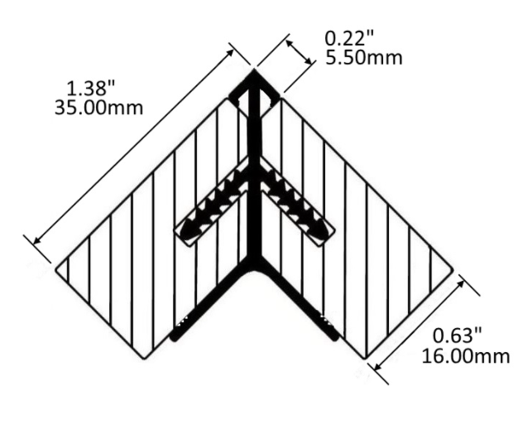
 | 7.07 | Floor / Wall Rail System ( Circular Columns in Reception / OPD Waiting Feature Wall / IPD Waiting Feature Wall): |  |  |  | -
 |  | Supply and installation of 50mm Dia Wall or Floor mounted Rail system (as per site condition) on columns of 304 grade steel as directed of approved make - Gradus or Equallent. | Rm | 11 |  | -
 | 7.08 | Aluminium suspended Curtain Tracks |  |  |  | -
 |  | Supply & Fixing of Suspended aluminium Tracks of specified make and finish as per drawing, from true ceiling with necessary rods support and including finishing of respective grid/metal/gypsum ceiling all complete. | Rm | 150 |  | -
 | 7.09 | Aluminium ceiling recessed curtain tracks |  |  |  | -
 |  | Supply & Fixing of ceiling recessed aluminium track of specified make and finish as per drawing, with necessary support from true ceiling and including finishing of respective grid/metal/gypsum ceiling all complete. | Rm | 190 |  | -
 | 7.10 | Mesh top Anti-Microbial Fabric Curtains |  |  |  | -
 |  | Supply and Fixing of Curtains of Specified Quality and make, onto Tracks, all complete. | Sqm | 790 |  | -
 | 7.11 | Display Boards / LED TV Supports: (Reception / Waiting Areas / Wards / Single Rooms) |  |  |  | -
 |  | Providing & fixing MS SUPPORTS in 50mm X 50mm MS angle with base plate & anchor bolts for digital internal display board finished with approved paint to for specific Model of LED as per architect's specification, all complete.. | Nos | 12 |  | -
...
 |  |  |  |  |  | 2021-03-26
Sl. No. | Item Code. | Description of Work | Unit | Qty. | Rate | Amount
 |  | A) Reception Table Backdrop Track Lighting Set with 9 Spot Lights | Nos | 1 |  | -
 |  | B) OPD Waiting Feature Wall Lighting Set (10 Spots) | NOs | QRO |  | -
 |  | C) IPD Waiting Feature Wall Lighting Set (5 Pendant Light) | NOs | QRO |  | -
 |  | D) Cafeteria Pendant Lights | NOs | QRO |  | -
 |  | E) LED Strip Light | Rm | 15 |  | -
 | 7.17 | SS Signage: |  |  |  | -
 |  | A) Reception SS Logo + Lettering fixed on wall / paneling | Nos | 1 |  | -
 |  |  |  |  |  | -
 |  | B) SS Signage ( Emergency) | Nos | 1 |  | -
 |  | C) Lift Lobby Floor Indication SS Signage | Nos | 4 |  | -
 |  | 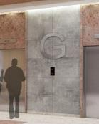 |  |  |  | -
 | 7.18 | Artefacts / Artist's Painting |  |  |  | -
 |  | Artwork - 1 - 900x1500mm | NOs | 1 |  | -
 |  | 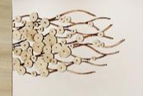
 |  | Artwork - 2 - SS PLATE INCL detatched SS Lettering - 750x1200mm as per detail drawing using SS plate | NOs | 1 |  | -

 |  | Artwork - 4 (Artist's Painting- Printed on Canvas) (Waiting/ Emergency Room / LINAC / Consultation Room / ) - 600X600MM | NOs | 25 |  | -
 |  | 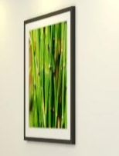
 |  | NOTE - Excluded from Scope: >General Wall painting (Under Basic Architecture item) >General Gypsum Ceiling / Grid Ceiling (Under Basic Architecture item) >Glazing >Architectural Signages >Doors >Windows >LED TV >Backlit Menuboard / LED Display - Cafeteria >Kiosks >Charging Points >Digital Signage (Doctor's Info) >X-Ray Viewer in Consultation Rooms >Digital Token Indicator >Sanitary & CP Fixtures >Medical Equipments / Beds / Examination Beds etc >Pharmacy racks >Potted Plants / Bamboo Plants in Reception / Waiting Areas. |  |  |  | -
7.00 | TOTAL FOR 7.00 MISCELLANEOUS WORKS |  |  |  |  | -
Total For Part A |  |  |  |  |  | -
PART B
 |  | NOTES:
 |  | The Loose Chairs Vendor details are mentioned in description and Fixed Chair deails are mentioned in General Notes of the same.
1.00 | LOOSE SEATS
1.01 | C1 | Stainless Steel Tandem Chairs (Reception / Radiotherapy / OPD Waiting / Emergency) -Steel Chair with PU Seat in shade as approved by Architect. Make - Amber Furniture or Equallent. |  |  |  | -
 |  | 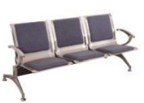 |  |  |  | -
 | C1A | A) 2S | NOs | 2 |  | -
 | C1B | B) 3S | NOs | 47 |  | -
 | C1C | C) 4S | NOs | 33 |  | -
 | C1D | D) 5S | NOs | 1 |  | -
1.02 | C4 | Loose Chair - 1 (GF Reception/ GF Help Desk / Emergency Desk / Radiotherapy Desk) Featherlite - Contact - HB Single Lock Synchro Mechanism Reclining is effortless. The single-lock synchro tilt mechanism creates a smooth and balanced feel in the upright and reclined position. Push/Pull the lever in/out to lock/unlock reclining at the upright position. |  |  |  | -
 |  | 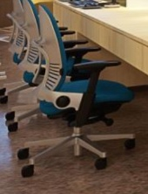 | NOs | 55 |  | -
1.03 | C5 | Loose Chair - 2 (Nurse's Station Chairs / OPD and IPD Lounge Help Desk Chairs/ ICU Chairs / Chemo Chairs) Featherlite - Smartmesh (Revolving) Centre Tilt Mechanism Reclining is effortless. Push/Pull the lever in/out to lock/unlock reclining at the upright position |  |  |  | -
 |  | 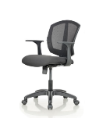 | NOs | 220 |  | -
1.04 | C6 | Loose Chair - 3 (Consultation Visitor) Wooden Chair W/ Leatherite Seat Finish. Make - Amber Furniture or Equallent. |  |  |  | -
 |  | 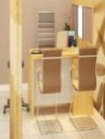 | NOs | 158 |  | -
1.05 | C7 | Loose Chair - 4 (Consultation Doctor chair) Featherlite - Amaze Self Calibrating Mechanism- This mechanism adapts to your weight to offer the optimum resistance without needing manual adjustment. Multilock Synchro Mechanism - Reclining is effortless. A superior multilock synchro tilt creates a smooth and balanced feel as you move from one position to the next. Push the left-side lever forward/backward to unlock/lock reclining at multiple positions. Adjustable Lumbar Support - The lumbar support promotes a healthy back posture. Allows for optimal lumbar support position for good back support and blood circulation.Move the lumbar support up/down to find your comfort position. |  |  |  | -
 |  |  | NOs | 103 |  | -
1.06 | C13 | Cafeteria Chair - 3 (Dual Colour) (Visitor Café) Make - Nilkamal - Novella Series
 |  |  | NOs | 287 |  | -
1.07 |  | Chair for Single, Twin Sharing Room, Delux, Suite
 |  | 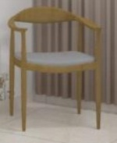 | Nos | 52 |  | -
1.08 |  | Chairs for ICU
 |  | 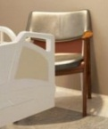 | NOs | 20 |  | -
1.09 |  | Chairs for Waiting Lobby
 |  | 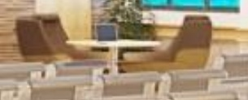 | NOs | 4 |  | -
1.10 |  | Rolling Stools for Consultation Room | NOs | 42 |  | -
1.11 |  | Rolling Stools for OT
 |  |  | NOs | 7 |  | -
1.00 | TOTAL FOR 1.00 LOOSE SEATS |  |  |  |  | -
2.00 | CENTRE TABLE
2.01 |  | Center Table - 450x900MM
 |  | Supply and placing center table in position with sizes. 900mm(W)x500-600(D) x400mm(H) of approved make with top made of 10mm thick glass top supported on SS Studs on understructure of prelaminated particle Board. The Table shall have another shelf at lower level the work shall be carried out as per the instructions received from engineer-Incharge. Warranty 5 Years.
 |  |  | Nos | 5 |  | -
2.02 |  | Atrium Area (OPD Waiting)- Center Table - 450x450MM
 |  |  | NOs | 4 |  | -
...
 |  |  |  |  |  | 2021-03-26
Sl. No. | Item Code. | Description of Work | Unit | Qty. | Rate | Amount
 |  | The worktop is made of 25mm thick prelaminated particle board with 2mm thick PVC Lipping on the edges. The worktop is supported on loop shape Metal Legs 50mm x50mm powder coated understructure with laminate panel. Side Storage body is a combination of 3 drawer pedestal unit and a hinged door unit and is s made of 18mm thick pre laminated partical Board conforming to IS:12823 and is hinged door unit . The back of the unit is made from 18mm prelaminated board. All the exposed edges are with 2mm PVC egde approved make banding and sealed edges are with 0.8mm thick PVC approved make edge banding. The top side and hinged shutters are sealed with 2mm thick PVC edge banding. Back the unit are assembled by knock down fitting such as Minifix and Dowels. All the hardware and Hinges are from Hettich/Ebco.Warranty 5 years.

 |  | Table - 1500x750MM, Side - 900x450MM | Nos | 142 |  | -
 |  | Table Top -Prelam PVC lipping
 |  | Understructure : Aluminium
 |  | RaceWay - below Table
 |  | Accessories : Mobile Pedestal - 1 No (2 draws ans 1 openable shutter) & Side Storages with shelves with 2 openable shutters, all complete.
5.02 | T2 | Workstation l Shape |  |  |  | -
 |  | Curvilinear Workstion 1500 L x 600W x 1200 L x 600W x 1200mm Ht with pedestal unit Frame is 50 mm thick and made of Aluminium Extrusions of 1.2 mm to 1.5mm thickness. The System is complete hollow system with space for wire reticulation. All the frames will be duly power coated. All the frames are fastened together by means of M6 NUTS & BOLTS. All the frames are fitted with M10 leveling bolts, board. Race way -The race way cover are sliding type and are integrally fitting inside frame and are made out of 0.8mm-1mm thick CRCA steel & powder coated. The electrical raceway can be provided below worktop or above worktop. The partition has two integrated raceway provided one at skirting level and another at the work surface level thus ensuring separation of power and networking cables. The free space available within raceway accommodates power, data and communication cables. The cable can be taken into the frame from the floor from the bottom. Tiles : Fabric Tile; constructed out of 5mm thick Medium Density Fiber Board(MDF) and covered with Fabric of choice. Laminate Tile; constructed out of 0.8 mm CRCA sheet and laminated Medium Density Fibre Board(MDF) Bottom Row of steel Tile; Made out of 5mm-8mm thick thick pre-laminated Medium Density Fiber Board (MDF) Bottom Row of steel
 |  | Tile ; Constructed finished in epoxy powder coating. Can be given with plain /perforations/embossed finishes Magnetic tile; Constructed out of 0.8mm Galvanized sheet and covered with fabric of choice. Whiteboard marker tile; Made out of 4mm MDF with 1mm glossy highly wear resistant face laminate-Total thickness is 5mm. Table tops are of 25mm thk pre-laminated particle boards conforming to IS:12823 Interior Grade. All Worktops to have Metal Insets for fixing screws. Specially designed powder coated M.S brackets having 2mm thickness fixed to the partition frame support the tabletops. Sealed edge in table tops are with 2mm thick PVC edge banding on working side and 0.8mm thick edge banding on non working side. Legs are made of powder coated steel 50mmx50mm section. Cross Member are in CRCA steel and the Beam is made of MS of 1.5mm thicknees in powder coated finish of 50 microns thicknees -Each workstation has 3D rawer pedestal unit of size 400mm L x 450mm D x 680 mm made up of 18mm thk prelam particle board conforming to IS:12823 Interior Grade with 3 Drawer (2 Drawer + 1 Filing) with roller side machanism for 2 Drawers and Ball bearing slide for 1 Filing unit. Warranty 10 years. |  |  |  | -
 |  | 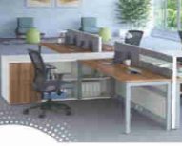 | Nos | 37 |  | -
5.03 | T9 | Workstation 2
 |  | Curvilinear Workstation 2000 L x 750 W x 1200mm Height with pedestal unit Frame is 50 mm thick and made of Aluminium Extrusions of 1.2 mm to 1.5mm thickness. The System is complete hollow system with space for wire reticulation. All the frames will be duly power coated. All the frames are fastened together by means of M6 NUTS & BOLTS. All the frames are fitted with M10 levelling bolts, board. Race way -The race way cover is sliding type and are integrally fitting inside frame and are made from 0.8mm-1mm thick CRCA steel & powder coated. The electrical raceway can be provided below worktop or above worktop. The partition has two integrated raceways provided one at skirting level and another at the work surface level thus ensuring separation of power and networking cables. The free space available within raceway accommodates power, data and communication cables. The cable can be taken into the frame from the floor from the bottom. Tiles: Fabric Tile; constructed out of 5mm thick Medium Density Fiber Board (MDF) and covered with Fabric of choice. Laminate Tile: constructed out of 0.8 mm CRCA sheet and laminated Medium Density Fibre Board (MDF) Bottom Row of steel Tile; Made from 5mm-8mm thick pre-laminated Medium Density Fiber Board (MDF) Bottom Row of steel Tile; Constructed finished in epoxy powder coating. Can be given with plain /perforations/embossed finishes Magnetic tile; Constructed out of 0.8mm Galvanized sheet and covered with fabric of choice. Whiteboard marker tile: Made from 4mm MDF with 1mm glossy highly wear resistant face laminate-Total thickness is 5mm. Tabletops are of 25mm thick pre-laminated particle boards conforming to IS:12823 Interior Grade. All Worktops to have Metal Insets for fixing screws. Specially designed powder coated M.S brackets having 2mm thickness fixed to the partition frame support the tabletops. Sealed edge in tabletops are with 2mm thick PVC edge banding on working side and 0.8mm thick edge banding on non-working side. Legs a | Nos | 4 |  | -
 |  | 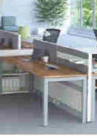
5.04 | T6 | RETURN TABLE | No | 43 |  | -
5.05 | T3 | Conference table
 |  | 10 seater Provinding and placing Meeting Room table 23 Seater in "U" Shape in "Trent" Table Tops- Available in standard modules 1500mm Lx 750mm D, made of 25mm thick postformed partlice Board with waterfall top edges finished in postlaminated finish for better aesthetics and long lasting use. Understructure - Legs made of 18mm thick standard Black colour prelaminated particle Board panels interconnected with 18mm thick standard Black matt colour pre- Laminated modesty panels with height adjustable levels to take care of uneven floors. Wire management-concealed wire management to take care of basic wiring requirements both horizontally and vertically. Cable Tray is mounted on the inner side of modesty panel for horizontal wire carrying. Vertical wire management is through flexible vertical wire manager. Slots for Mounting data and Electric Switches and Sockets are provided on cover section of Cable Tray. Standard table top height- 750mm. Designed for Flexibility through modular Construction , Postformed curvica Finish Tops for Elegent and classic Looks. Provision for easy wire management, radeable/reconfigurable for future needs. Corners are provided in Black paint MDF Surface in 25mm thicknees. Corners are supported on 63.5mm painted Metal pole with Leveller for Height Adjustment. Warranty 5 years. |  |  |  | -
 |  | 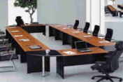 | Nos | 33 |  | -
5.06 | T7 | Conference table |  |  |  | -
 |  | 8 seater | Nos | 3 |  | -
5.07 | T8 | Cafeteria Table ISOTOP Table with 1mm Laminate
 | T8A | A) 4S | Nos | 25 |  | -
 |  | 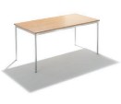
5.08 | T10 | Side Table Waiting Lobby
 |  | Providing and fixing of Table having dimension 500mm L x 500mm W x 400mm Ht of approved make made of 18mm thickprelaminated particle board. The top is 10mm thick Glass supported on 4 nos, SS Studs with verticals also made of 18mm particle board. The table has a shelf of 450mm L x 450mm W under the main top. All edges are sealed with 2mm thick PVC Lipping. The above furniture should be as per specification and sample approved by client. Warranty 5 years. | Nos | 4 |  | -

5.09 |  | Supplying at site the CAFETERIA tables or equivalent of size mentioned below. The table top is made up with Iso top. Tables corner should be have rounded corners on all the four sides for safety. Under structure will be of SS base and foldable etc., all complete.

 | T14 A | 4 SEATER CAFÉ TABLE (FOLDABLE - 1500X750X750) | NOs | 2 |  | -

 | T14 B | 6 SEATER CAFÉ TABLE (FOLDABLE - 1950X750X750) - | NOs | 1 |  | -

 | T14 C | 6 SEATER CAFÉ TABLE (FOLDABLE - 1800X800X750) | NOs | 28 |  | -

 | T14 D | 4 SEATER CAFÉ TABLE (FOLDABLE - 1200X800X750) | NOs | 22 |  | -

5.10 |  | Bar Stool (Type - 1)
 |  |  | Nos | 29 |  | -
5.00 | TOTAL FOR 5.00 TABLES |  |  |  |  | -
6.00 | SOFA BED (SINGLE ROOM)
6.01 |  | Day Bed with MS Framework and Legs in Powder Coated Finish and Bed base made in ply, foam and leatherette(Colour as per architect's selection).100mm thick foam (should be HR&FR rated) having ILD 41. , all complete as per architect's drawing . Make - Amber Furniture or Equallent. | Nos | 10 |  | -
 |  | 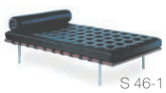
6.02 |  | Sofa 8.550 Meter long (Coffee shop- within Portal as per conceptual view) | Nos | 1 |  | -
 |  | 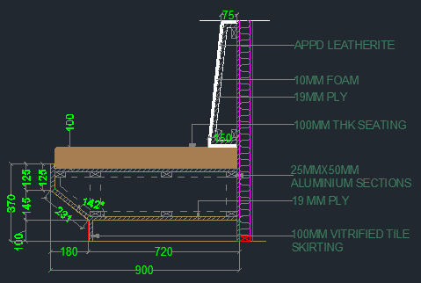
6.00 | TOTAL FOR 6.00 SOFA BED (Single Room) |  |  |  |  | -
7.00 | STORAGE
7.01 | S1 | Lockers |  |  |  | -
 |  | Providing and supplying steel single Tower Locker Cabinets of approved make & model with in-built Locks having dimension of 1800mm H x460mm D x390mm W made of 0.8mm thick CRCA sheet duly powder coated to thicknees of 40-60 micron. Each vertical unit has SIX Nos Locker unit. Each unit has independent door with concealed hinges and 7 lever cam look and label holder the product has leveler for good ground support. All the components are finished 40 to 50 microns thick epoxy polyester powder coating oven baked at 180to 200 deg.C. The above furniture should be as per specification and sample approved by client. |  |  |  | -
 |  |  | Nos | 97 |  | -
7.02 | S3 | Full height storage |  |  |  | -
 |  | Providing and placing prelaminated particle board storage of size 900mm (L) x 450mm(W) x 2100mm (ht) with 2 eq. openable doors. Prelaminated ply board of 19mm thick as a storage unit on both sides, top & bottom panel with 25mm thk. pre laminated ply board as intermediate shelves of 6 Nos at Equal Distance with necessary support to hold the shelf and with openable dual shutter with 19mm thk prelaminated ply board with necessary hardware like Lock, Handle , Towerbolt etc. All the exposed edges are with 2mm PVC egde approved make banding and sealed edges are with 0.8mm thick PVC approved make edge banding. The top side and hinged shutters are sealed with 2mm thick PVC edge banding. The unit are assembled by kaack down fittings such as Minifix and Dowels. All the hardware and hinges are from Hettich/Ebco. Storage has Brushed SS finish handles and lock. Warranty 5 years. |  |  |  | -
 |  |  | Nos | 110 |  | -
7.03 | S4 | Low height storage |  |  |  | -
 |  | Providing and placing prelaminated particle board storage of size 900mm (L) x 450mm(W) x 1660mm (ht) with openable doors, made up of 18mm thick prelaminated particle board with PVC edge banding and locking arrangement. Storage body is made of 18mm thick pre laminated partical Board conforming to IS:12823 Interior Grade. The back of the unit made from 18mm prelaminated board. All the exposed edges are with 2mm PVC egde approved make banding and sealed edges are with 0.8mm thick PVC approved make edge banding. The top side and hinged shutters are sealed with 2mm thick PVC edge banding. The unit are assembled by kaack down fittings such as Minifix and Dowels. All the hardware and hinges are from Hettich/Ebco. Storage has Brushed SS finish handles and lock. Warranty 5 years. |  |  |  | -
 |  | 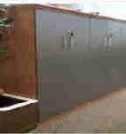 | Nos | 62 |  | -
7.04 | S9 | STEEL RACKS M.S. SLOTTED ANGLE RACK OF SIZE 1800 X 500 X 2100 |  |  |  | -
 |  | Providing and supplying M.S Slotted angle racks of size 1800mm x 500mm x 2100mm (Ht) of approved make, with powder coated finished (50 microns thickness) MS slotted angle framework of necessary sections. 5mos. of racks shall be made out of CRCA sheets with necessary frames and with powder coated finish (50 microns thickness), fixed onto the framework. For a load capacity of upto 50kg per rack. Rate shall include all necessary fittings & hardware etc all complete for the item. |  |  |  | -
 |  |  | Nos | 150 |  | -
7.05 | S10 | DISPLAY RACKS (GIFT SHOP) |  |  |  | -
 |  | Providing and supplying Product Display racks of size 1200mm (L) x 600mm (W) x 2100mm (H) with MS powder coated finish of 50 microns thickness framework of 50mmx50mm sections. Cross Members or beams made of MS of 1.5mm thickness in powder coated finish. 5no.s of Shelves or racks shall be made of 25thk commercial ply finished with approved Laminate by Architect with factory fit edge banding of matching colour and fixed onto the Framework. Rate shall include all necessary fittings & hardware, floor bush etc. all complete for the item. |  |  |  | -
 |  | 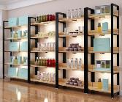 | Nos | 5 |  | -
7.06 |  | PHARMACY RACK | Nos | 20 |  | -
7.07 |  | CHANGE ROOM BENCH |  |  |  | -
 |  | MS powder coated change room bench of size (1500mm (L) x 450mm (W) x 450mm (H). |  |  |  | -
 |  | 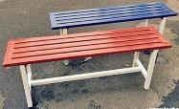 | Nos | 4 |  | -
3.00 | TOTAL FOR 3.00 OTHERS (TABLE & STORAGES) |  |  |  |  | -
Total For Part B |  |  |  |  |  | -
GRAND TOTAL FOR PART A AND PART B |  |  |  |  |  | -

L2 - Dibrugarh
...
 |  |  |  |  |  | 2021-03-23
Sl. No. | Item Code. | Description of Work | Unit | Quantity | Rate | Amount
 |  | The framework to be cladded on both sides (till the false ceiling) with two layers of 12.5 mm thk tapered edge Moisture Resistant gypsum board (IS-2095/1982) in line and level screw fixed with 25mm & 35mm drywall screws @ 300mm c/c with staggered joints to avoid leakage through joints and finished with proprietary supplied jointing tape and compound as per manufacturer's specification. Joints to be sand papered to achieve a smooth and seamless finish. Care must be taken that the plasterboards are raised 3mm from the floor and in this gap, chauking compound is injected, for successive layers and similarly for the true ceiling channel. Gypsum partition to be installed as per India Gypsum / Gyproc or equallent specifications. |  |  |  | -
 |  | Finishes |  |  |  | -
 |  | Moisture Resistant Gypsum surface till the false ceiling - Providing and applying three coats of Anti-microbial Luster enamel paint of desired shade, of approved make or equivalent on internal wall surfaces wherever required at all heights to give an even and uniform shade, applied over 2 coats of primer and putty of approved make as per manufacturer specification fully to give a smooth and even surface including thoroughly brushing the surface free from water / mortar dropping and other foreign matter and sand papered smooth, complete per manufacturers specifications and as directed. |  |  |  | -
 |  | Special Provisions |  |  |  | -
 |  | A) Contractor to make provision for all electrical/networking boxes and to provide dia cut-outs as required. Electrical/Network boxes /other services to be provided at desired height and location as indicated in the drawing. |  |  |  | -
 |  | B) All junctions between materials, columns, walls, etc to have necessary groove with Aluminium `L' angle as per details |  |  |  | -
 |  | C) All exposed edges / corners/ grooves to have proprietary corner / edge bead sections/channels as per Architect's instructions |  |  |  | -
 |  | D) All exposed gyp board edges to be fixed with Beadex self adhesive |  |  |  | -
 |  | E) At all locations where services are penetrating the partition above false ceiling to have salwood frame work around the duct/cable tray/pipe and the gaps between the frame work and service to be filled with appropriate fire stop material as directed |  |  |  | -
 | 2.02 | Providing and fixing full height 100mm thick Partition with Framework using 2.5mm thk Aluminium box section of size 50x75mm for Part Partition with 19mm BWR ply on both the sides and finished with laminate on the sides and Part glazed partition comprising of 10mm thk tempered edge polished glass using partition framing system; 18mm x 100mm aluminium extruded sections on all sides of the glazed partition as per detail drawings & design. Glass shall be securely fixed to the frames using proprietory rubber gaskettes. Samples of the sections along with mockup shall be shown for approval before placing orders. Cost of framework to hold glass above false ceiling will be measured seperately. Cost to include filling joints with silicon sealant where ever applicable. Glass height upto 2400 / 2550 mm based on location in single piece. Mode of measurement: Only visible area of the partition below false ceiling shall be measured and paid for. (ICU / General Ward) | Sqm | 285 |  | -
 |  | 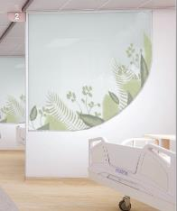 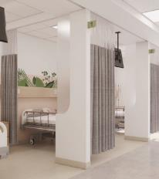 |  |  |  | -
 |  | Framework |  |  |  | -
 |  | Partly to be formed of 2.5mm thk aluminium box sections of size 50x75mm, placed @ 600mm c/c both horizontally and vertically fixed to the screeded flooring and to the false ceiling. Partly to be formed of 18x100mm thk aluminium extruded sections.
 |  | Provide an additional aluminium member of 50mm x 75mm as spacer at the true ceiling level and sub frames for doors and glazed openings while fixing the frame work as per details |  |  |  | -
 |  | Cladding
 |  | The framework to be cladded on both sides (till the false ceiling) with one layer of 19mm thk Ply board fixed with necessary screws. |  |  |  | -
 |  | Finishes |  |  |  | -
 |  | Finished with 1mm thk laminate (anti microbial) and edges with SS T-Profile |  |  |  | -
 |  | Special Provisions
 |  | A) Contractor to make provision for all electrical/networking boxes and to provide dia cut-outs as required. Electrical/Network boxes /other services to be provided at desired height and location as indicated in the drawing. |  |  |  | -
 |  | B) All junctions between materials, columns, walls, etc to have necessary groove with Aluminium `L' angle as per details |  |  |  | -
...
 |  |  |  |  |  | 2021-03-23
Sl. No. | Item Code. | Description of Work | Unit | Quantity | Rate | Amount
 |  | Making 75mm x 100mm cove as/detail in gypboard and POP including plastic emulsion paint matching with gyp ceiling as per architect's approval.. The rate shall be inclusive of necessary framework, making cutout for light fixtures, bulkheads, internal & external vertical facia etc. complete. Cove section includes exposed L-Shaped gyp work. | Rmt | 50 |  | -
 | 5.05 | Pelmet - Size (150mmX150mm) |  |  |  | -
 |  | Providing and fixing of pelmet made of 19mm commercial ply finished with laminate of approved shade as per details and Architect's instructions. Pelmet to the fixed to the true ceiling/closest structural support with aluminium supports as per directions. Rate to include necessary cutouts to accommodate AC grills, Electrical cutouts as per details. To have necessary grooves and to be fixed with necessary sealant as per architects instructions. Pelmet to accomodate blinds as per details. Neat joint to be achieved between the Gyp ceiling and the Pelmet. | Rm | QRO |  | -
 | 5.06 | TRAP DOOR: |  |  |  | -
 |  | Providing & fixing Saint Gobain / equivalent Concealed type trap-doors of size as required with PROPRIETARY frame around the same as per details in ceiling as per manufacturer's specifications; finished with paint as directed Gi powder coated. (Sizes 550mmx550mm-minimum , 600mm X1200mm) | Nos | 45 |  | -
5.00 | TOTAL FOR 5.00 FALSE CEILING & ASSOCIATED WORKS |  |  |  |  | -
6.00 | BUILT-IN FURNITURE WORKS
 |  |  |  |  |  | -
 | 6.01 | Reception / Help Desk Table (Type 1) |  |  |  | -
 |  | Providing and fixing of base table shape made of 18mm BWR ply with flap open Top and Front door wherever necessary all as per detail. Table top and supports to be made of 18mm double layer BWR ply with storage units as per design - 2 nos pull out drawers and one openable shutter (all lockable). Storage to have necessary shelves formed of 18mm BWR ply finished with 1mm antibacterial laminate. Shutters to be postformed. Shutters to be provided with necessary hardwares like spring loaded hinges, tower bolts, SS handles, magnetic catchers and locks etc., of approved make and quality. Cost to include keybord tray, cpu tray, wire management wherever applicable and should include fixing of LED strip lighting as per design all complete. Cost also to include Vertical Tabletop Panel along edge of table wherever applicable as per detail drawing. Cost also to include antitermite treatment / borer treatment for plywood. >> All the exposed surfaces (Outer and Inner vertical surfaces ) to be finished with 1mm thk antibacterial laminate - 55% of Exterior Finishes in 1mm Laminate. >> Rate inclusive of Solid Acrylic Surface material at locations (Table Top and Front Fascia ) all as specified as per drawing - horizontal and vertical surfaces to have 12mm Solid Acrylic Surface (including Curved edges, curved surfaces etc) and inclusive of required fixing materials & clear adhesives, and to include magaram joint, buffing, pasting, making of cut outs etc as per design, all complete. Note - Curved surfaces cost to include thermoforming, etc all complete. Cost to be inclusive of 12mm ply backing with framing for solid acrylic surface material. - 45% of Exterior Finishes in Solid Acrylic Surface material. >> Inside surfaces to be finished with 1mm thk antibacterial laminate and with 2mm PVC Edge Bands and SS corners whever required as per drawing. - 50% of running length to have storage (which includes 2 drawers and 1 openable shutter) with inside finish with 1mm antibacterial lami | RM | 15 |  | -
 |  | 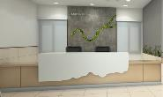 |  |  |  | -
 | 6.02 | Reception Table / Help Desk (Type 2) |  |  |  | -
 |  | Providing and fixing of base table shape made of 18mm BWR ply with flap open Top and Front door wherever necessary all as per detail. Table top and supports to be made of 18mm double layer BWR ply with storage units as per design - 2 nos pull out drawers and one openable shutter (all lockable). Storage to have necessary shelves formed of 18mm BWR ply finished with 1mm antibacterial laminate. Shutters to be postformed. Shutters to be provided with necessary hardwares like spring loaded hinges, tower bolts, SS handles, magnetic catchers and locks etc., of approved make and quality. Cost to include keybord tray, cpu tray, wire management wherever applicable and should include fixing of LED strip lighting as per design all complete. Cost also to include Vertical Tabletop Panel along edge of table wherever applicable as per detail drawing. Cost also to include antitermite treatment / borer treatment for plywood. >> All the exposed surfaces (Outer and Inner vertical surfaces & Table Top ) to be finished with 1mm thk antibacterial laminate - 70% of Exterior Finishes in 1mm Laminate. >> Rate inclusive of Solid Acrylic Surface material at locations as specified as per drawing - horizontal and vertical surfaces to have 12mm Solid Acrylic Surface (including Curved edges, curved surfaces etc) and inclusive of required fixing materials & clear adhesives, and to include magaram joint, buffing, pasting, making of cut outs etc as per design, all complete. Note - Curved surfaces cost to include thermoforming, etc all complete. Cost to be inclusive of 12mm ply backing with framing for solid acrylic surface material. - 30% of Exterior Finishes in Solid Acrylic Surface material. >> Inside surfaces to be finished with 1mm thk antibacterial laminate and with 2mm PVC Edge Bands and SS corners whever required as per drawing. - 50% of running length to have storage (which includes 2 drawers and 1 openable shutter) with inside finish with 1mm antibacterial laminate. >>Table Dimensio | RM | 12 |  | -
 |  | 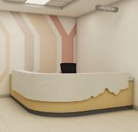 |  |  |  | -
 | 6.03 | Doctor's Consultation Worktable |  |  |  | -
 |  | Size- Main Table : 1500 x 750, Return Table :900 x 450 | Nos | 53 |  | -
 |  | Table Top -Prelam PVC lipping |  |  |  | -
 |  | Understructure : Aluminium |  |  |  | -
 |  | RaceWay - below Table |  |  |  | -
 |  | Accessories : Mobile Pedestal - 1 No (2 draws ans 1 openable shutter) & Side Storages with shelves with 2 openable shutters, all complete. |  |  |  | -
 |  |  |  |  |  | -
 |  |  |  |  |  | -
 | 6.04 | Consultation room - Wash Basin counter |  |  |  | -
 |  | Providing and fixing Acrylic solid surface Wash basin counter of size 600mm x 600mm with below counter storage cabinet 450mm high to conceal the under counter Wash basin; cabinet made out of necessary aluminium frame and MR ply woord finished with 1mm thk laminate of approved shade and make. Includes providing all necessary provisions to neatly fix the sanitary & cp fittings, hardwares - hinges, profile handles etc. all complete to give finished product as directed by the Architect. Solid surface shall be of approved make - Corian or equivalent. The cost to include silicon sealant at the edges as per detail. Cost should include Borer / Antitermite treatment for plywood. | Nos | 20 |  | -
...
 |  |  |  |  |  | 2021-03-23
Sl. No. | Item Code. | Description of Work | Unit | Quantity | Rate | Amount
 |  |  |  |  |  | -
 |  | B) SS Signage ( Emergency) | Nos | 1 |  | -
 |  | C) Lift Lobby Floor Indication SS Signage | Nos | 5 |  | -
 |  |  |  |  |  | -
 | 7.18 | Artefacts / Artist's Painting |  |  |  | -
 |  | Artwork - 1 - 1000x1200mm | NOs | 3 |  | -
 |  | Artwork - 2 (Bamboo) 1000x600mm | NOs | 8 |  | -
 |  | Artwork - 2 (Artist's Painting- Printed on Canvas) (LINAC / Consultation Room) - 600X600MM | NOs | 54 |  | -
 | 7.19 | Feature Wall - 01 (OPD Lounge) |  |  |  | -
 |  | Fabricating and fixing 10900 width x 2700mm HT Feature wall elements all complete - Stone Veneer with framework and ply backing, CNC Cut Moss strip on wall, vertical laminated HDF boards, vertical duco painted ply boards all as per architect's detail drawing, including Powder coated MS letterings fixed on wall. | LS | 1 |  | -
 |  | 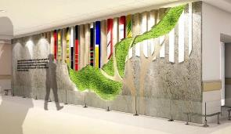 |  |  |  | -
 | 7.20 | Feature Wall - 02 (IPD Lounge) |  |  |  | -
 |  | Fabricating and fixing 10900 width x 2700mm HT Feature wall elements all complete - Gypsum Panel with framework and ply backing and painted finish (rustic grey), and poished bamboo sections of varied height and diameters all as per design, including Powder coated MS letterings fixed on wall, all complete as per architect's drawing | LS | 1 |  | -
 |  | 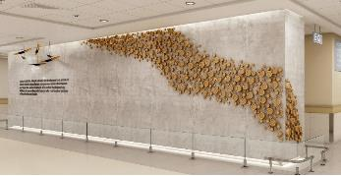 |  |  |  | -
 | 7.22 | Ledges in Niche (In Hostel rooms - Front Elevation External walls) |  |  |  | -
 |  | Providing and fixing Ledges 5nos. in row @ 400mm spacing, each of size 350mm Deep 650mm length (Length as per Detail design) in existing masonry niche, with carcass made out of 25 mm thk MR Ply, finished with 1mm thick laminate of approved shade with factory fit edge banding. Rate shall include all concealed hardware fitting and fixing in place all complete as per detail drawings. Hardware make : Hettcih / Ebco or equivalent | Nos. | 16 |  | -
 |  | 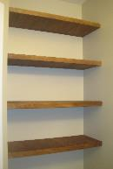 |  |  |  | -
 |  |  |  |  |  | -
 |  | NOTE - Excluded from Scope: >General Wall painting (Under Basic Architecture item) >General Gypsum Ceiling / Grid Ceiling (Under Basic Architecture item) >Glazing >Architectural Signages >Doors >Windows >LED TV >Backlit Menuboard / LED Display - Cafeteria >Kiosks >Charging Points >Digital Signage (Doctor's Info) >X-Ray Viewer in Consultation Rooms >Digital Token Indicator >Sanitary & CP Fixtures >Medical Equipments / Beds / Examination Beds etc >Pharmacy racks >Potted Plants / Bamboo Plants in Reception / Waiting Areas. |  |  |  | -
7.00 | TOTAL FOR 7.00 MISCELLANEOUS WORKS |  |  |  |  | -
Total For Part A |  |  |  |  |  | -
PART B
 |  | NOTES:
 |  | The Loose Chairs Vendor details are mentioned in description and Fixed Chair deails are mentioned in General Notes of the same.
1.00 | LOOSE SEATS
1.01 | C1 | Stainless Steel Tandem Chairs (Reception / Radiotherapy / OPD Waiting / Emergency) -Steel Chair with PU Seat in shade as approved by Architect. Make - Amber Furniture or Equallent. |  |  |  | -
 |  |  |  |  |  | -
 | C1A | A) 3S | NOs | 33 |  | -
 | C1B | B) 4S | NOs | 15 |  | -
 | C1C | C) 5S | NOs | 26 |  | -
1.02 | C2 | Lounge Chair - 2S Leatherite Finish. Make - Amber Furniture or Equallent. |  |  |  | -
 |  | 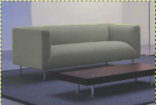 | NOs | 54 |  | -
1.03 | C3 | Lounge Chair - 3S Leatherite Finish. Make - Amber Furniture or Equallent. |  |  |  | -
 |  |  | NOs | 9 |  | -
1.04 | C4 | Loose Chair - 1 (GF Reception/ GF Help Desk / Emergency Desk / Radiotherapy Desk) Featherlite - Contact - HB Single Lock Synchro Mechanism Reclining is effortless. The single-lock synchro tilt mechanism creates a smooth and balanced feel in the upright and reclined position. Push/Pull the lever in/out to lock/unlock reclining at the upright position. |  |  |  | -
 |  | 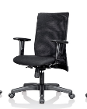 | NOs | 45 |  | -
1.05 | C5 | Loose Chair - 2 (Nurse's Station Chairs / OPD and IPD Lounge Help Desk Chairs/ ICU Chairs / Chemo Chairs) Featherlite - Smartmesh (Revolving) Centre Tilt Mechanism Reclining is effortless. Push/Pull the lever in/out to lock/unlock reclining at the upright position |  |  |  | -
 |  |  | NOs | 200 |  | -
1.06 | C6 | Loose Chair - 3 (Consultation Visitor) Wooden Chair W/ Leatherite Seat Finish. Make - Amber Furniture or Equallent. |  |  |  | -
 |  | 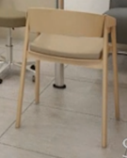 | NOs | 134 |  | -
1.07 | C7 | Loose Chair - 4 (Consultation Doctor chair) Featherlite - Amaze Self Calibrating Mechanism- This mechanism adapts to your weight to offer the optimum resistance without needing manual adjustment. Multilock Synchro Mechanism - Reclining is effortless. A superior multilock synchro tilt creates a smooth and balanced feel as you move from one position to the next. Push the left-side lever forward/backward to unlock/lock reclining at multiple positions. Adjustable Lumbar Support - The lumbar support promotes a healthy back posture. Allows for optimal lumbar support position for good back support and blood circulation.Move the lumbar support up/down to find your comfort position. |  |  |  | -
 |  | 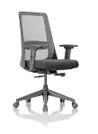 | NOs | 44 |  | -
1.08 | SB | Sofa Bed (Single Room) Day Bed with MS Framework and Legs in Powder Coated Finish and Bed base made in ply, foam and leatherette(Colour as per architect's selection).100mm thick foam (should be HR&FR rated) having ILD 41. , all complete as per architect's drawing . Make - Amber Furniture or Equallent. |  |  |  | -
 |  |  | NOs | 28 |  | -
1.09 | T8 | Cafeteria Table ISOTOP Table with 1mm Laminate |  |  |  | -
 |  |  |  |  |  | -
 | T8A | A) 4S | NOs | 34 |  | -
 | T8B | B) 6S | NOs | 8 |  | -
1.10 | C10 | Cafeteria Chair - Bar Stool Type (Staff & Visitor Café) Make- Model Regus - Amber Furniture or Equallent |  |  |  | -
 |  | 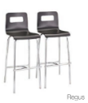 | NOs | 13 |  | -
1.11 | C11 | Cafeteria Chair - 1 (Staff Café) Make - Dreamseats - Eames Wood Replica. Colour as per architect's Selection. |  |  |  | -
 |  |  | NOs | 24 |  | -
1.12 | C12 | Cafeteria Chair - 2 (Staff Café) Make - Dreamseats - Eames Saarinen Replica. Colour as per architect's Selection
 |  | 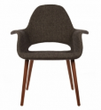 | NOs | 21 |  | -
1.13 | C13 | Cafeteria Chair - 3 (Dual Colour) (Visitor Café) Make - Nilkamal - Novella Series
 |  | 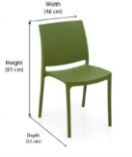 | NOs | 276 |  | -
1.00 | TOTAL FOR 1.00 LOOSE SEATS |  |  |  |  | -
2.00 | FIXED SEATS
 |  | Note: The Fixed Seats / Table are to be manufactured and supplied and fixed at site. VENDOR: AMBER Furniture, Chennai |  |  |  | -
 | 2.01 | 10S Island Seat (Reception) -Fabricating and Supply of Floor Mounted 10S Island seat with BWR Ply and M/S framework as required with BWR Ply cover / Flexiply cover with PU Leather finish as per approved colour, all complete as per architect's drawing. |  |  |  | -
 |  | 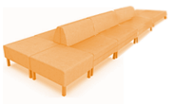 | Nos | 1 |  | -
 | 2.02 | Bamboo Seater- Type 1 (Reception) -Fabricating and Supply of Floor Mounted Bamboo Seat with Necessary Ply and MS Framework all complete as per detail drawing. |  |  |  | -
 |  | 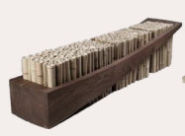 | Nos | 4 |  | -
 | 2.03 | Bamboo Seater- Type 2 (Reception / OPD Lounge) -Fabricating and Supply of Floor Mounted Bamboo Seat with Necessary Ply and MS Framework all complete as per detail drawing. |  |  |  | -
 |  | 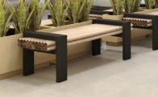 | Nos | 6 |  | -
 | 2.04 | Wall mounted Table (around Column) (Visitor) -Fabricating and Supply of Wall Mounted Ply Table in 1mm Laminate Finish and 2mm Edge Banding with Necessary Ply and MS Framework all complete as per detail drawing. |  |  |  | -
 |  | 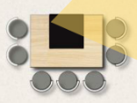 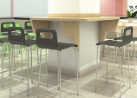 | Nos | 1 |  | -
 | 2.05 | Cafeteria Wall Fixed Table (Visitor) -Fabricating and fixing of wall mounted High Table of depth 450mm all around the column / along specified length on wall etc with Ply supports in Laminate finish, including of all necessary hardware, 2mm edge banding all complete as per drawing. |  |  |  | -
 |  |  | Nos | 1 |  | -
 | 2.06 | Cafeteria Wall Fixed Table (Staff) -Fabricating and fixing of wall mounted High Table of depth 450mm all around the column / along specified length on wall etc with Ply supports in Laminate finish, including of all necessary hardware, 2mm edge banding all complete as per drawing. |  |  |  | -
 |  | 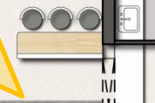 | Nos | 1 |  | -
 | 2.07 | Cafeteria Booth Seat (Staff) -Fabricating and supply of Booth seat 1000mm length - frames to be made of wooden batten and BWR ply. Seat and beck rest to be made in ply, foam and leatherette(colour as per architect's selection).100mm thick foam (should be HR&FR rated) having ILD 41. , all complete as per architect's drawing . |  |  |  | -
 |  | 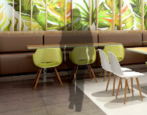 | Nos | 7 |  | -
 | 2.08 | Column Seater ( 12S ) (OPD Lounge) -Fabricating and supply of column-mounted circular seat around columns - frames to be made of wooden batten and BWR Ply. Saet and Backrest to be made with Ply / Flexi-Ply, with Solid Acrylic finish, all complete as per drawing. |  |  |  | -
 |  | 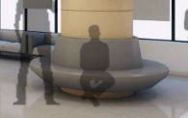 | Nos | 2 |  | -
2.00 | TOTAL FOR FIXED SEATS |  |  |  |  | -
3.00 | OTHERS (TABLES & STORAGES)
3.01 | T1 | Office Tble |  |  |  | -
 |  | The worktop is made of 25mm thick prelaminated particle board with 2mm thick PVC Lipping on the edges. The worktop is supported on loop shape Metal Legs 50mm x50mm powder coated understructure with laminate panel. Side Storage body is a combination of 3 drawer pedestal unit and a hinged door unit and is s made of 18mm thick pre laminated partical Board conforming to IS:12823 and is hinged door unit . The back of the unit is made from 18mm prelaminated board. All the exposed edges are with 2mm PVC egde approved make banding and sealed edges are with 0.8mm thick PVC approved make edge banding. The top side and hinged shutters are sealed with 2mm thick PVC edge banding. Back the unit are assembled by knock down fitting such as Minifix and Dowels. All the hardware and Hinges are from Hettich/Ebco.Warranty 5 years. |  |  |  | -
 |  |  | Nos | 17 |  | -
3.02 | T2 | Workstation l Shape |  |  |  | -
 |  | Curvilinear Workstion 1500 L x 600W x 1200 L x 600W x 1200mm Ht with pedestal unit Frame is 50 mm thick and made of Aluminium Extrusions of 1.2 mm to 1.5mm thickness. The System is complete hollow system with space for wire reticulation. All the frames will be duly power coated. All the frames are fastened together by means of M6 NUTS & BOLTS. All the frames are fitted with M10 leveling bolts, board. Race way -The race way cover are sliding type and are integrally fitting inside frame and are made out of 0.8mm-1mm thick CRCA steel & powder coated. The electrical raceway can be provided below worktop or above worktop. The partition has two integrated raceway provided one at skirting level and another at the work surface level thus ensuring separation of power and networking cables. The free space available within raceway accommodates power, data and communication cables. The cable can be taken into the frame from the floor from the bottom. Tiles : Fabric Tile; constructed out of 5mm thick Medium Density Fiber Board(MDF) and covered with Fabric of choice. Laminate Tile; constructed out of 0.8 mm CRCA sheet and laminated Medium Density Fibre Board(MDF) Bottom Row of steel Tile; Made out of 5mm-8mm thick thick pre-laminated Medium Density Fiber Board (MDF) Bottom Row of steel Tile ; Constructed finished in epoxy powder coating. Can be given with plain /perforations/embossed finishes Magnetic tile; Constructed out of 0.8mm Galvanized sheet and covered with fabric of choice. Whiteboard marker tile; Made out of 4mm MDF with 1mm glossy highly wear resistant face laminate-Total thickness is 5mm. Table tops are of 25mm thk pre-laminated particle boards conforming to IS:12823 Interior Grade. All Worktops to have Metal Insets for fixing screws. Specially designed powder coated M.S brackets having 2mm thickness fixed to the partition frame support the tabletops. Sealed edge in table tops are with 2mm thick PVC edge banding on working side and 0.8mm thick edge banding on |  |  |  | -
 |  |  | Nos | 11 |  | -
3.03 | T9 | Workstation 2 |  |  |  | -
 |  | Curvilinear Workstion 2000 L x 750 W x 1200mm Ht with pedestal unit Frame is 50 mm thick and made of Aluminium Extrusions of 1.2 mm to 1.5mm thickness. The System is complete hollow system with space for wire reticulation. All the frames will be duly power coated. All the frames are fastened together by means of M6 NUTS & BOLTS. All the frames are fitted with M10 leveling bolts, board. Race way -The race way cover are sliding type and are integrally fitting inside frame and are made out of 0.8mm-1mm thick CRCA steel & powder coated. The electrical raceway can be provided below worktop or above worktop. The partition has two integrated raceway provided one at skirting level and another at the work surface level thus ensuring separation of power and networking cables. The free space available within raceway accommodates power, data and communication cables. The cable can be taken into the frame from the floor from the bottom. Tiles : Fabric Tile; constructed out of 5mm thick Medium Density Fiber Board(MDF) and covered with Fabric of choice. Laminate Tile; constructed out of 0.8 mm CRCA sheet and laminated Medium Density Fibre Board(MDF) Bottom Row of steel Tile; Made out of 5mm-8mm thick thick pre-laminated Medium Density Fiber Board (MDF) Bottom Row of steel Tile ; Constructed finished in epoxy powder coating. Can be given with plain /perforations/embossed finishes Magnetic tile; Constructed out of 0.8mm Galvanized sheet and covered with fabric of choice. Whiteboard marker tile; Made out of 4mm MDF with 1mm glossy highly wear resistant face laminate-Total thickness is 5mm. Table tops are of 25mm thk pre-laminated particle boards conforming to IS:12823 Interior Grade. All Worktops to have Metal Insets for fixing screws. Specially designed powder coated M.S brackets having 2mm thickness fixed to the partition frame support the tabletops. Sealed edge in table tops are with 2mm thick PVC edge banding on working side and 0.8mm thick edge banding on non working sid |  |  |  | -
...

